INFO
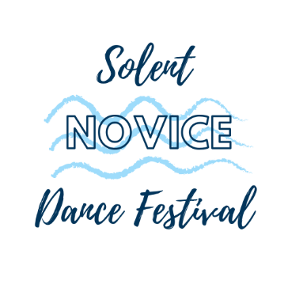
 | Name of Dance School

 | Name of Principal

Please add competitors details to the spreadsheet using the tabs below and then calculcate cost on the final tab.

Age is taken from 1st February 2020. The oldest competitor in a duet, trio or group will determine the age category

FEES
SOLOS - £5 per dance
DUETS - £8 per dance (all dancers MUST be Novice)
TRIOS - £12 per dance (all dancers MUST be Novice)
GROUPS - £2 per dancer (all dancers within the group MUST be Novice)

Please ensure that a Registration Consent Form is supplied for each child dancing. All policies can be found on our website below:
www.solentnovicefestival.co.uk

All payments MUST have cleared by the deadline of Sunday 15th December 2019. Any applications after this date will not be considered.

Payment may be made by Cheque or BACS.

Please state on the payment the competitors name if an individual entrant or dance school name for multiple entries.

Cheque
Please make cheques payable and posted to:

Miss Alaina Blight
101 Jervis Road
Portsmouth
Hampshire
PO2 8PR

BACS / Internet Transfer

Bank: HSBC
Sort Code: 40-21-03
Account Number: 81445391
Account Name: Miss Alaina Suzanne Blight

Please return the completed application forms to the email address below or post with cheque to the address above
alaina@solentnovicefestival.co.uk

